Import Summary and Notes
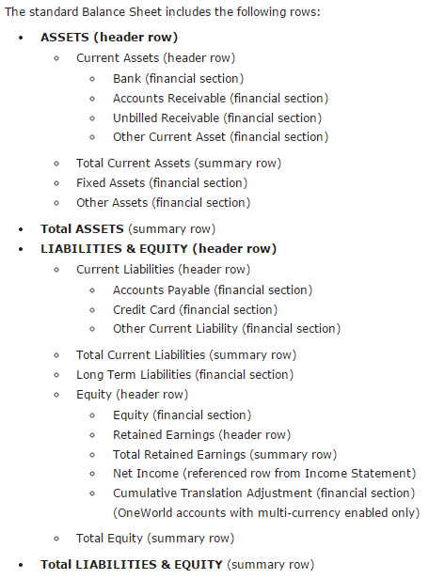
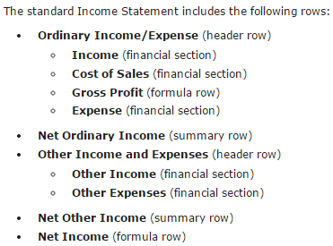
Import Sequence | Worksheet Name | Import Type | Record Type | Saved CSV Import
1 | Account | Accounting | Chart of Accounts | F&B PRM Account Import

Notes:
The Chart of Accounts record type import requires the assistance of of Customer Success or Professional Services prior to import.
The Account worksheet provides a set of records that are correctly defined for each type of GL account. For example, the Sample Bank account type is correctly defined with currency and the Sample Accounts Receivable Trade account type is correctly defined without currency.
The SuiteScript Records Browser describes the fields and sublist fields for the Account record. Search SuitScript Records Browser in NetSuite Help Center for a link to the SuiteScript Records Browser.
The SuiteAnalytics Connect Browser, available from the SuiteScript Records Browser, provides additional information about the fields in the Account record.
Set External ID for each account to be the Number of the account.
External ID of account is Number.
External ID of subsidiary is Name.

